Completion Guide
To complete the general claim form please follow the instructions below.

Please ensure you have completed and submitted the relevant application, LOC 1 Sickness, LOC 3 Adoption leave, LOC 4 Maternity leave, LOC 5 Paternity leave, and received confirmation of approval from this team prior to submitting this claim form

Section 1 Details of the GP absent from the practice on the Claim Form tab must be fully completed or we will be unable to process your claim and will return the form for additional information.

Section 2 Details of the Locum, Agency or employed GPs providing cover on the Claim Form tab must be fully completed or we will be unable to process your claim and will return the form for additional information. You will note that the GP details will auto fill the Performer number in section 3 and the corresponding name on the Invoice Weekly Breakdown tab for convenience. If you have used multiple GPs via an agency please treat the agency as one GP and enter the details accordingly.

Section 3 Certificate of the Locum or Employed GPs providing cover must be completed and signed by the GPs providing cover. If more than one GP provides cover please ensure that they correspond with the numbers in section 2 i.e. 1st GP section 2 should be the 1st GP in section 3 and in the Invoice Weekly Breakdown tab

The claim form must be signed on behalf of the practice. If the absent GP cannot sign a partner or the Practice manager may sign on their behalf.

Payment will only be reimbursed for face to face patient contact. Other claims (such as agency fees and admin time) will be deducted and will not be paid.

Next you will need to ensure that the Invoice Weekly Breakdown tab is completed and submitted along with the claim form

Week 1 Day 1 is the first day the GP is absent from the practice. If this is sick leave you will not be eligible to claim payment for this. The first claim will be week 3 day 1. The week will run for five days from any weekday depending on the first day the GP takes sick leave. i.e. Wednesday to Tuesday if the first day sick leave was a Wednesday.

Complete the sessions per GP covering the absence. i.e. 1st GP covers Wednesday 13:00 to 18:30 and Thursday 8:00 to 12:00, 2nd GP covers Wednesday 8:00 to 12:30, Thursday 13:00 to 18:30 and Friday 8:00 to 18:30
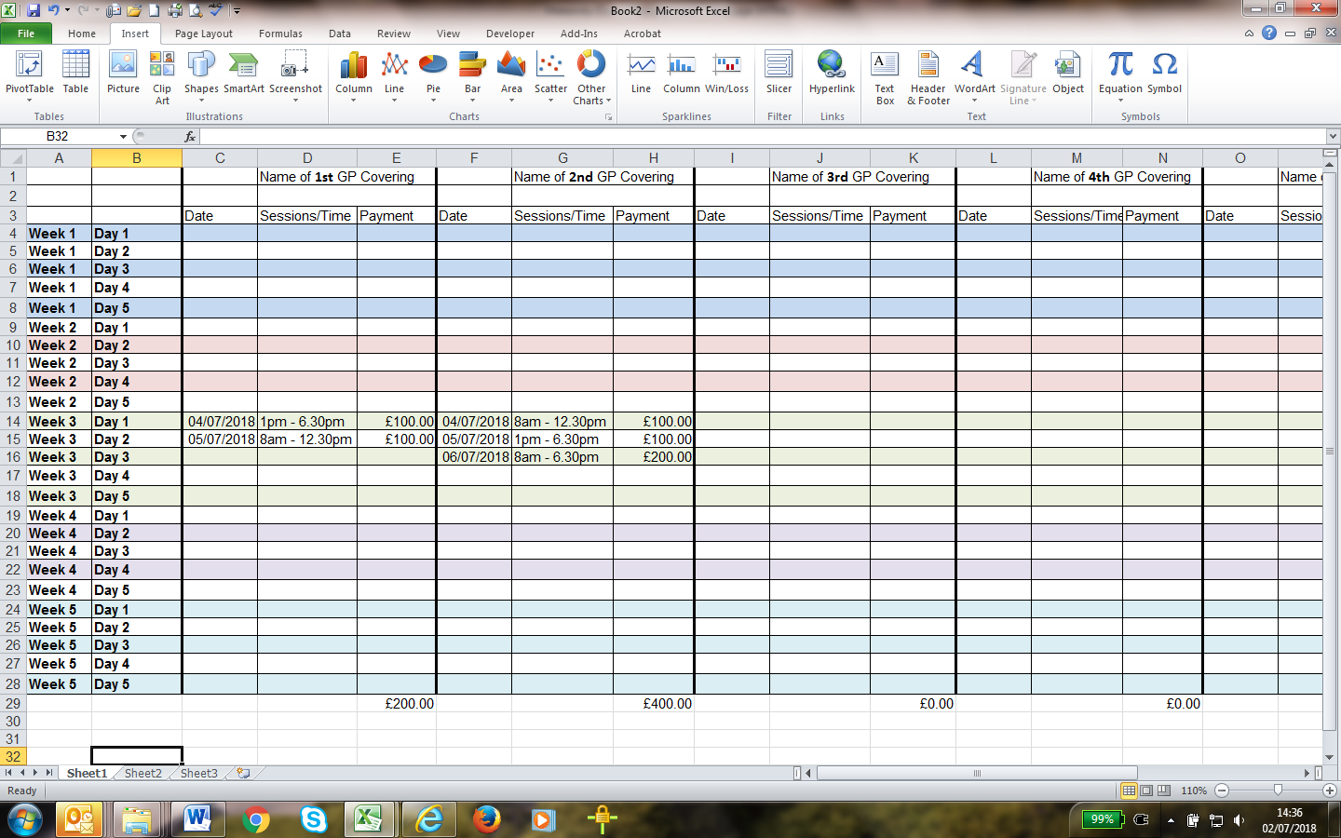
Maternity and adoption Leave As of 1st April 2018 the maximum weekly payment for the first two weeks is £1,143.06. For subsequent weeks payment is £1,751.52. Payment will be made for the amount invoiced or the maximum claimable which ever is the lower.
Sickness There is no payment for the first two weeks so payment starts from the first day of the third week at the higher rate of £1,751.52 for 26 week then at half rate of £875.76 for 26 week.
Paternity leave This is paid at £1,143.06 for two weeks.

Please ensure you complete one LOC6 claim for each calendar month of absence. If forms are submitted each month they can be processed in a timely manner.

Any form received with vital information missing will be returned to the practice unprocessed for the relevant information to be provided.

Please remember to confirm if this is the last claim by ticking the appropriate box at the end of the form

